Sheet1
 | Random Forest | Adaboost | Gradient Boosting | Decision Trees | Avg Rank
Diabetes | 2 | 2 | 2 | 2 | 2
Checkup | 1 | 6 | 1 | 1 | 2.25
Physical_health | 3 | 1 | 3 | 8 | 3.75
High_cholesterol | 9 | 3 | 5 | 3 | 5
Fruit_extremes | 6 | 7 | 4 | 4 | 5.25
Mental_health | 5 | 5 | 7 | 7 | 6
Fruit_habit | 4 | 8 | 8 | 6 | 6.5
Age | 7 | 12 | 6 | 5 | 7.5 | Random Forest
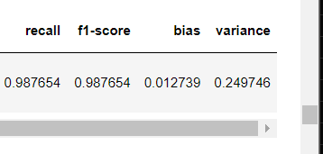
Female | 14 | 4 | 10 | 10 | 9.5
Blood_pressure | 10 | 9 | 11 | 9 | 9.75
IMC | 8 | 13 | 9 | 14 | 11
Exercise | 11 | 11 | 12 | 12 | 11.5
Weight | 12 | 17 | 13 | 11 | 13.25
Height | 13 | 14 | 15 | 15 | 14.25
Drinking_habit | 16 | 10 | 14 | 18 | 14.5
Category_BP | 15 | 20 | 19 | 13 | 16.75
Smoking_habit | 20 | 16 | 18 | 16 | 17.5 | Extra Trees
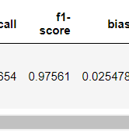
Water_habit | 19 | 15 | 23 | 17 | 18.5
East_of_England | 21 | 23 | 16 | 23 | 20.75
Category_HC | 17 | 21 | 26 | 21 | 21.25
West_midlands | 26 | 19 | 22 | 20 | 21.75
London | 22 | 24 | 20 | 24 | 22.5
Education | 18 | 29 | 17 | 29 | 23.25
Yorkshire | 27 | 18 | 29 | 19 | 23.25
East_midlands | 25 | 22 | 27 | 22 | 24
North_east | 29 | 25 | 21 | 25 | 25
South_east | 24 | 26 | 25 | 27 | 25.5 | Hist
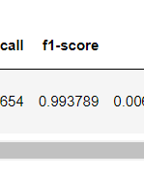
South_west | 23 | 28 | 24 | 28 | 25.75
North_west | 28 | 27 | 28 | 26 | 27.25

